Sheet1
 |  | Document No. |  | Issue No. | Issue Date |  | Review and Replace Date |  |  | Authorised By
 |  | GFF330MC |  | 1 | 05.10.2021 |  | New Issue |  |  | Magda Shah
 |  | Document Title |  | 8 PERSON BANQUET BOX 6690g

Document amendments reason for change |  | new document |  | Page 1 of 2 |  | Previous Issue Date |  | New Issue |  | Uncontrolled copy unless signed original

C8PML-B8TEB | BOOTHS - AYR PARTY BOX |  |  |  | 8 PERSON BANQUET BOX 6690g | CHILLED
PRODUCT 1 |  |  |  |  |  | PRODUCT 2
Butter Sauce (GFF134R)
700g
Chettinad Sauce (CC) (GFF320R)
700g

BM Chicken (GFF164R)
300g
BM Chicken (GFF164R)
300g

Butter Chicken 1000g |  |  |  |  |  | Chettinad Chicken 1000g
Tray: H3H 50 - CLEAR (PKNUT001-07)
Film: Line 1, 2 & GTR: (PKPRO001-12)
Allergens: Barley, Milk |  |  |  |  |  | Allergens: Mustard
PRODUCT 3 |  |  |  |  |  | PRODUCT 4
Kashmiri Rice
(GFF326R)
2000g
 |  |  |  |  |  | 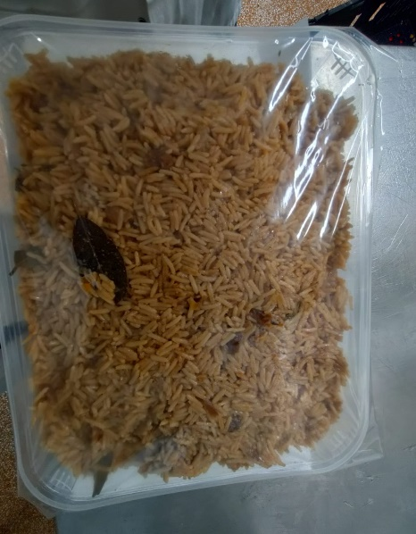
Saag Aloo Gobi
(GFF130R)
1250g

Saag Aloo Gobi (GFF130R) 1250g |  |  |  |  |  | Kashmiri Rice (GFF326R) 2000g
Tray: H3H 50 - CLEAR (PKNUT001-07)
Film: Line 1, 2 & GTR: (PKPRO001-12)
Allergens: Milk, Mustard |  |  |  |  |  | Allergens: none

 |  | Document No. |  | Issue No. | Issue Date |  | Review and Replace Date |  |  | Authorised By
 |  | GFF330MC |  | 1 | 05.10.2021 |  | New Issue |  |  | Magda Shah
 |  | Document Title |  | 8 PERSON BANQUET BOX 6690g

Document amendments reason for change |  | new document |  | Page 2 of 2 |  | Previous Issue Date |  | New Issue |  | Uncontrolled copy unless signed original

C8PML-B8TEB | BOOTHS - AYR PARTY BOX |  |  |  | 8 PERSON BANQUET BOX 6690g | CHILLED
PRODUCT 5 |  |  |  | PRODUCT 6 |  |  |  |  | PRODUCT 7
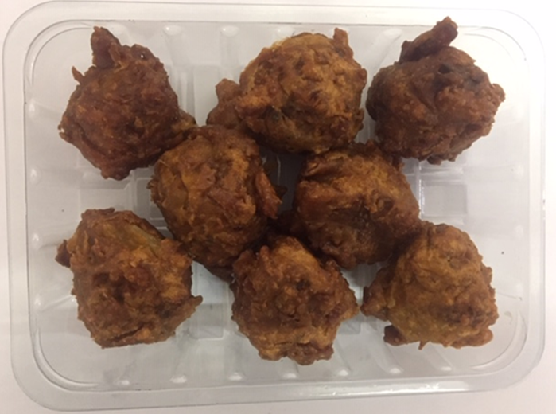 |  |  |  | 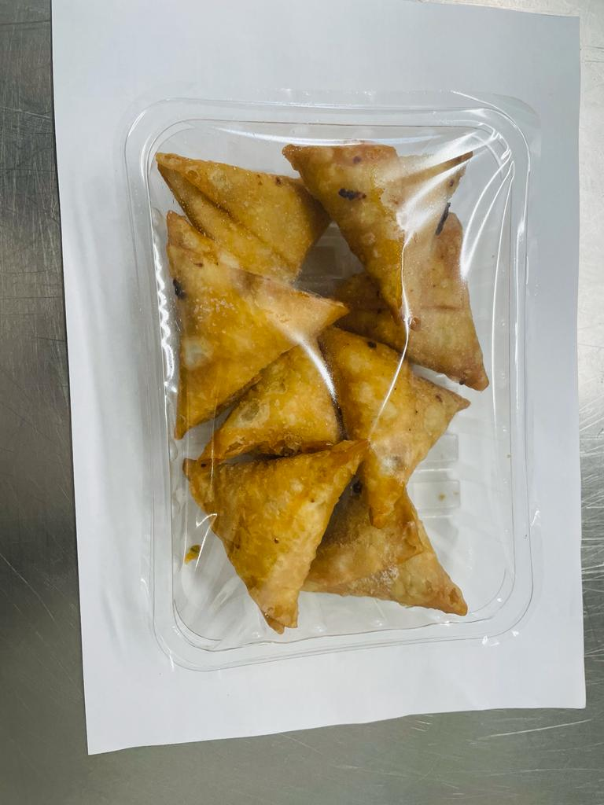 |  |  |  |  | 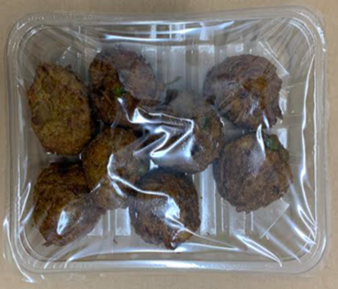

8 x ONION BHAJI (GFF121R) 30g: (240g) |  |  |  | 8 x VEGETABLE SAMOSA (GFF003R) 25g: (200g) |  |  |  |  | 8 x VEGETABLE PAKORA (GFF122R) 30g: (240g)
Tray: SK4 - Plain Clear (PKESS001-07)
Film: ME410AFV2 (PKPRO001-10)
Allergens: none |  |  |  | Allergens: Wheat |  |  |  |  | Allergens: None
PRODUCT 8 |  |  |  |  |  | PRODUCT 9
30% Yoghurt & Mint (RMPIQ001-01R) 100g
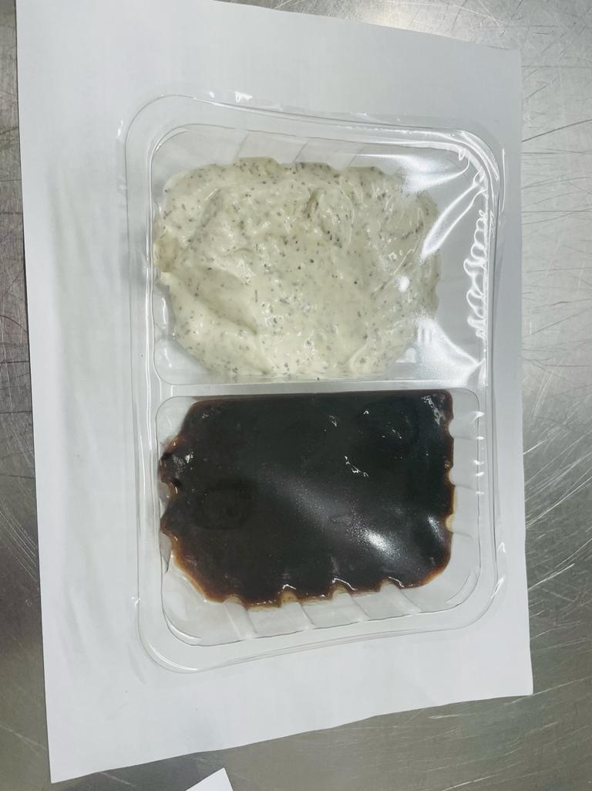

Will be added in Sleeving

Tamarind Sauce (RMP&B001-04) 100g

Tamarind Dip & Yogurt Mint Raita 200g |  |  |  |  |  | Mini Naan Bread - 4 packets (140gX4)
Tray: SK4 - Split Clear (PKESS001-06)
Film: ME410AFV2 (PKPRO001-10)
Allergens: none |  |  | Allergens: Milk, Egg |  |  | Allergens: Wheat

